DashBoard
EDS Executive Summary & Profitability Dashboard
All Pivote Table
Sales data

Total Revenue
$6,45,223
Total Gross Profit
$2,96,384
Total Profit
45.94%
Total Unit Sold
6698
Total Orders
2707
Total COGS
$3,48,838

 | Sum of Revenue | Sum of Gross Profit
Jan | $3K | $2K
Feb | $3K | $2K
Mar | $2K | $1K
Apr | $6K | $3K
May | $3K | $2K
Jun | $8K | $3K
Jul | $4K | $2K
Aug | $4K | $2K
Sep | $6K | $3K
Oct | $4K | $2K
Nov | $4K | $2K
Dec | $2K | $1K
Revenue and Profit by Month
Top 5 Countries by Revenue
 | Total
France | $18K
Germany | $18K
Italy | $15K
Spain | $13K
United Kingdom | $23K

Revenue Sales by Channel
Region wise Comparison
Country wise map Chart

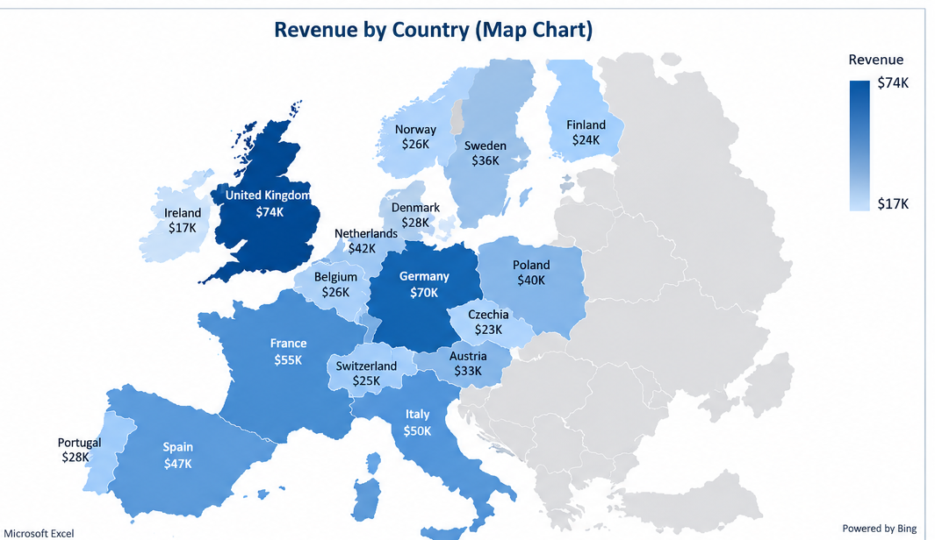
 | Total
Corporate | $180K
Marketplace | $93K
Online Store | $260K
Retail Partners | $112K
 | Total
Central Europe | $191K
Northern Europe | $131K
Southern Europe | $125K
Western Europe | $198K

